Open_Saving_Screen
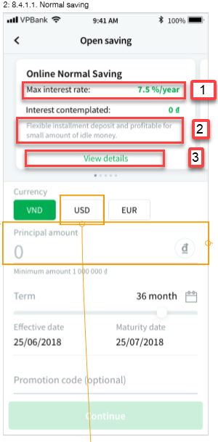
 |  | Ambiguos properties
 |  | Missing properties

Items | Sample value on screen | Property mapping (OCB) | Service | Remark
1 | 7.5%/year | MAX_INTEREST | from DB OCB và ESB | getOnlineSavingRatesByAccountTypeIdAndCurrencyAndTerm…
2 | Flexible installment deposit and profitable for small amount of idle money | INTRODUCE_PRODUCT | from DB OCB | add more column
3 | http://vpbank.com.vn/detail_OnlineSaving | DETAIL_ONLINESAVING_LINK | from DB OCB | add more column

